IHC simple
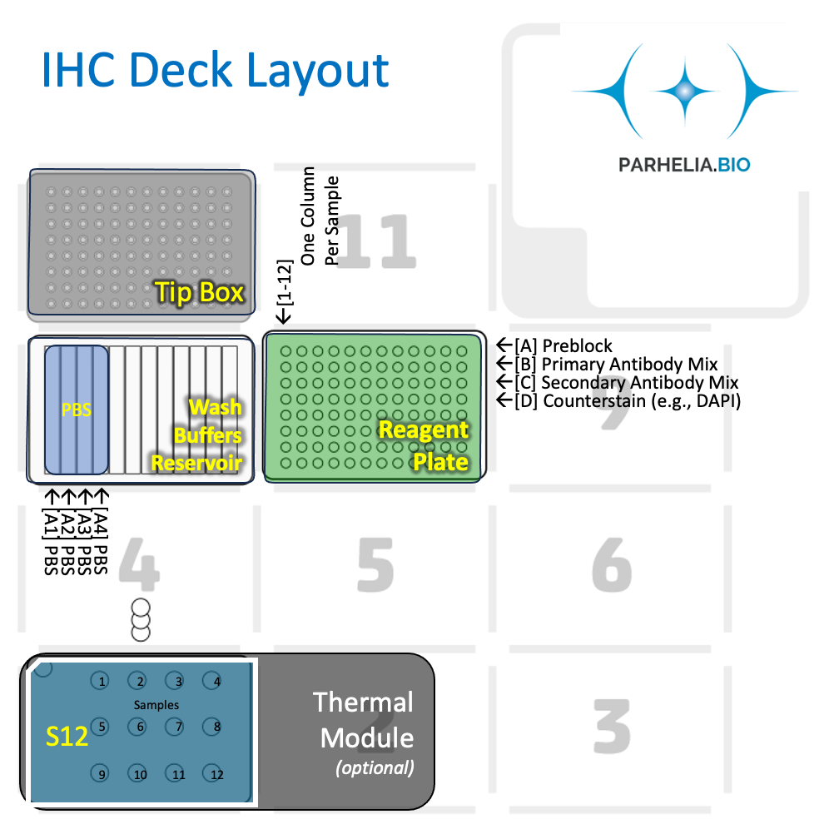
Adjust the values below (click for drop down selection) to match StainWorks configurations to auto-fill
Double Add (alll reagents)? |  | input cell -> | No
Number of Samples: |  | input cell -> | 7
ab_volume [μL] |  | input cell -> | 110
wash_volume [μL] |  | input cell -> | 150

Antibody cocktail [μL] / slide (ab_volume + 10) |  | Calculated cell ->
[Labware Type] | [Deck Position] | [Details]
Tiprack 1 | 10 | 300/200 μL Tip rack #1

Omni-Stainer S12 Staining Module | 1 | Assemble Flow Cells in PBS
 | 1 | 2 | 3 | 4
A
B
C

Buffer plate | 8 | 12-trough, sealed with a pierceable sealing sheet
 | 1 | 2 | 3 | 4 | 5 | 6 | 7 | 8 | 9 | 10 | 11 | 12
A | 1x PBS | 1x PBS | 1x PBS | 1x PBS | X | X | X | X | X | X | X | X
Volume

Reagent Plate | 8 | 96-well plate, or strips, sealed with aluminum sheet. Columns corresponds to samples in the Omni-stainer. Antibody mixes can be the same or different between columns
Reagent | Volume [μL] / Well |  | 1 | 2 | 3 | 4 | 5 | 6 | 7 | 8 | 9 | 10 | 11 | 12 | Row Vol. (μL)
Antibody Diluent (Blocking Buffer) |  | A
1x (Primary) Antibody Staining Solution |  | B
1x (Secondary) Antibody Staining Solution |  | C
Counterstain |  | D
 |  | E
 |  | F
 |  | G
 |  | H
 |  |  |  |  |  |  |  |  |  |  |  |  |  |  | `

